
 |  |  |  | CODE: |  |  | pl1061 ac SN from 99B1272
DESCRIPTION: |  | ELECTRIC UNIT 2 |  | ELEKTRISCHE GRUPPE 2 | GROUPE ELECTRIQUE 2 | GRUPO ELÉCTRICO 2 | PARTI ELETTRICHE 2
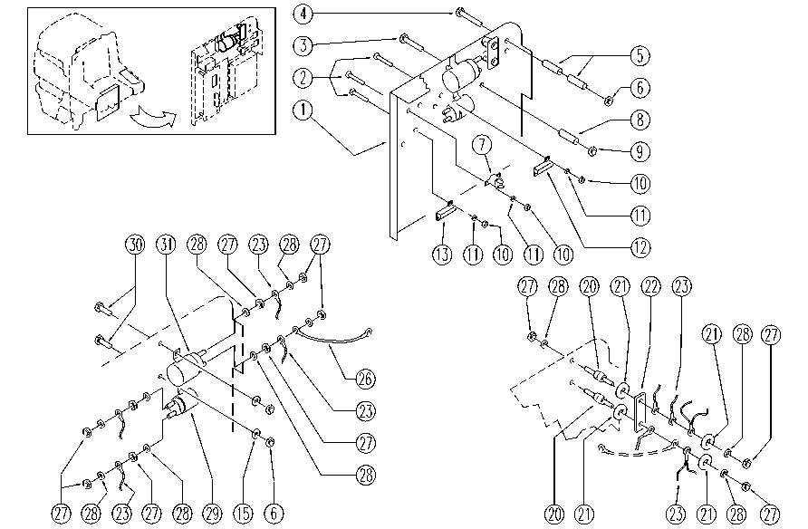

REF. | CODICE | DESCRIPTION | QT
1 | SL09682 | PLATE | 1
2 | SL04179 | SCREW | 8
3 | SL04047 | SCREW | 1
4 | SL04196 | SCREW | 2
5 | SL07176 | SPACER | 4
6 | E87868 | Self Locking Nut | 6
7 | E87899 | thermostat AS36 | 2
8 | SL07337 | SPACER | 1
9 | E86853 | Nyloc Hex Nut, M8 Zinc | 1
10 | E88225 | Nut | 8
11 | SL06009 | WASHER | 8
12 | SL23969 | RESISTANCE | 1
13 | E89433 | Resistor AS30/36 | 1
15 | E86707 | Cham Washer D10 | 4
20 | E86563 | support | 2
21 | E86878 | Washer | 4
22 | SL23569 | BRIDGE / JUMPER | 1
23 | GR23479-2 | WIRING UNIT | 1
26 | SL23125 | SHUNT | 1
27 | E86703 | Nut M8 | 12
28 | E86702 | Cham Washer D8 | 12
29 | SL23034 | TELESWITCH | 1
30 | E86706 | Screw TE M 6-16 | 4
31 | E86829 | Remote Control | 1

